Bank Reconciliation
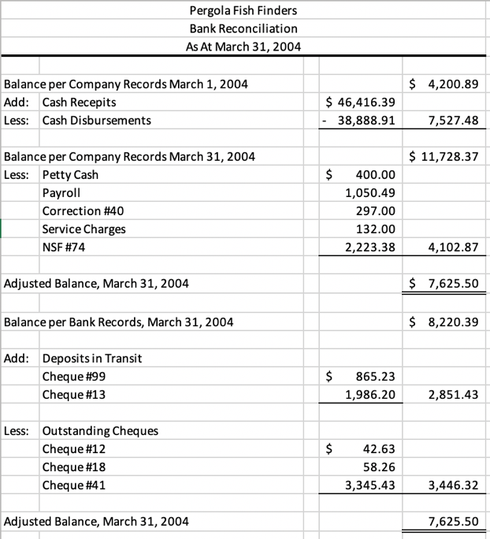
[Name] | Note: This is just a reminder for me and is NOT to be marked
BANK RECONCILIATION
As at [date]
Balance per company records, [date]
Add:
Less:
Balance per company records, [date]
Add:
Less:
Adjusted balance per company records, [date]

Balance per bank records, [date]
Add:
Less:
Adjusted balance per bank records, [date]

Balance Sheet
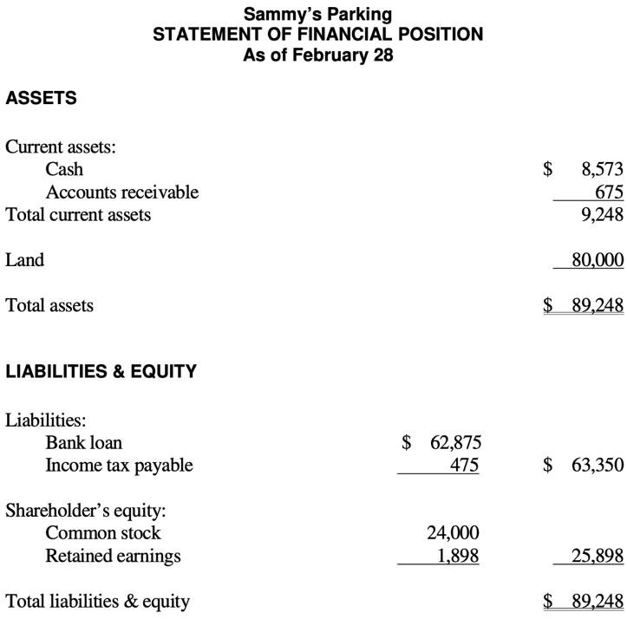
[Name] |  | Note: This is just a reminder for me and is NOT to be marked
INCOME STATEMENT
As at [date]
Assets
Current assets
 | Cash
Property, plant, equipment
 | Land
Total assets

Liabilities and equity
Liabilities
 | Bank loan
Equity
 | Common stock
 | Retained earnings

Income Statement
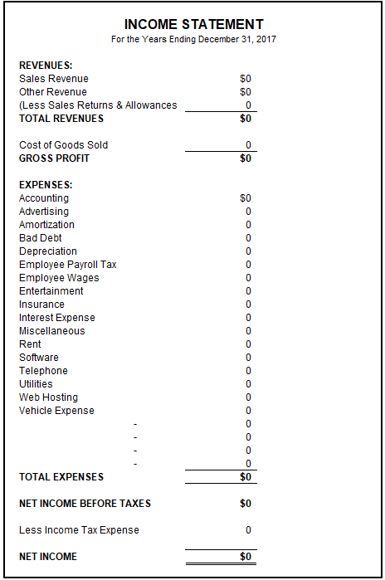
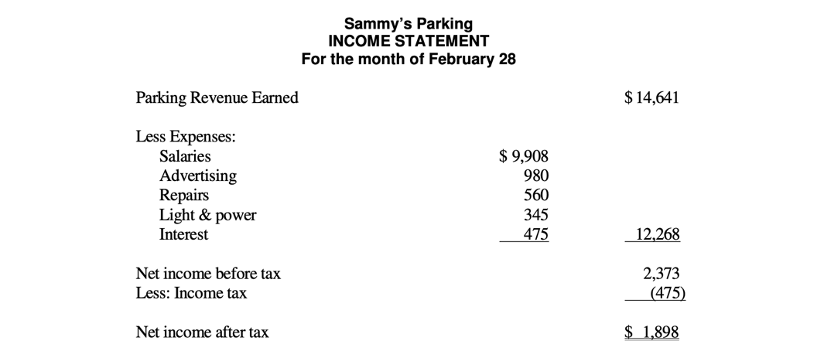
[Name] |  | Note: This is just a reminder for me and is NOT to be marked
INCOME STATEMENT
As at [date]
Revenue
 | Sales
 | Interest
Total revenue
COGS
Gross Profit
Operating expenses
 | Salaries
 | Wages
Total operating expenses
Net income before tax
Income tax
Net income

